records
Sample Measurement Record
Mano Engineering LLC |  |  |  |  |  |  |  |  |  |  |  | Part No. 05986
No. | A | B | C | D | E | F | G | H | I | J | K
1 | 4.422 | 1.032 | 0.3075 | 4.115 | 0.105 | 0.167 | 0.873 | 0.733 | 0.0865 | 44.691 | 0.0175
2 | 4.417 | 1.0325 | 0.3055 | 4.116 | 0.1045 | 0.172 | 0.8735 | 0.741 | 0.088 | 44.848 | 0.0135
3 | 4.4155 | 1.0315 | 0.3045 | 4.115 | 0.1 | 0.168 | 0.8735 | 0.731 | 0.09 | 44.549 | 0.013
4 | 4.422 | 1.031 | 0.301 | 4.1175 | 0.1095 | 0.1735 | 0.872 | 0.734 | 0.0915 | 44.557 | 0.0195
5 | 4.4175 | 1.032 | 0.307 | 4.1155 | 0.1045 | 0.1715 | 0.8735 | 0.7295 | 0.0875 | 44.559 | 0.0152

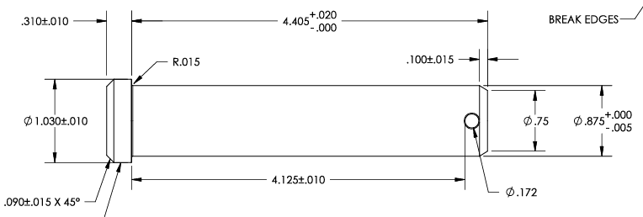
C
A
K
E

B
H
G

I
J
D
F

